Sheet1
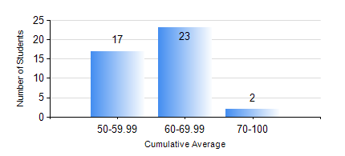
 |  |  | KWAME NKRUMAH UNIVERSITY OF SCIENCE AND TECHNOLOGY, KUMASI Department of Mechanical Engineering

 |  |  | BSC. INDUSTRIAL ENG.

 |  |  | COMPREHENSIVE RECORD OF EXAMINATION RESULTS

 |  |  | RESULTS OF YEAR 2 SECOND SEMESTER, 2019/2020 ACADEMIC YEAR

 | Sn | Course Code |  | Course Name | Credit Hours | Min. Mark | Max. Mark | Avg. Mark | Std. Dev. | No. Passed | No. Trailed | No. (Df) | No. (I) | No. (I*) | No. Tagged(I,I*,Df) | Total
 | 0. |  |  |  |  |  |  | 0 | 0 | 0 | 0 | 0 | 0 | 0 | 0 | 1
 | 1. | ENGL 264 |  | LITERATURE IN ENGLISH II | 1 | 56 | 78 | 71 | 3.51 | 41 | 0 | 0 | 0 | 0 | 0 | 41
 | 2. | IE 274 |  | SECOND YEAR DESIGN PROJECT | 2 | 70 | 98 | 88 | 4.53 | 41 | 0 | 0 | 0 | 0 | 0 | 41
 | 3. | IE 296 |  | INDUSTRIAL ENGINEEGING LABORATORY II | 1 | 40 | 86 | 75 | 9.06 | 41 | 0 | 0 | 0 | 0 | 0 | 41
 | 4. | MATH 252 |  | CALCULUS WITH SEVERAL VARIABLES | 4 | 46 | 92 | 77 | 10.76 | 41 | 0 | 0 | 0 | 0 | 0 | 41
 | 5. | ME 252 |  | FLUID DYNAMICS I | 2 | 40 | 85 | 67 | 12.58 | 41 | 0 | 0 | 0 | 0 | 0 | 41
 | 6. | ME 262 |  | MECHANISM SYNTHESIS AND ANALYSIS I | 3 | 48 | 91 | 73 | 8.78 | 41 | 0 | 0 | 0 | 0 | 0 | 41
 | 7. | ME 266 |  | THERMODYNAMICS I | 2 | 44 | 86 | 64 | 8.84 | 41 | 0 | 0 | 0 | 0 | 0 | 41
 | 8. | ME 270 |  | MANUFACTURING TECHNOLOGY | 3 | 57 | 94 | 81 | 8.52 | 41 | 0 | 0 | 0 | 0 | 0 | 41

